Sheet1
Item Image | Qty | Price
 | 7467 | $0.65 | 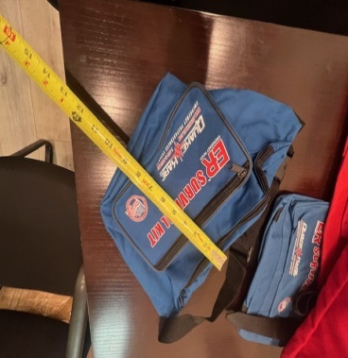
 | 6250 | $0.65
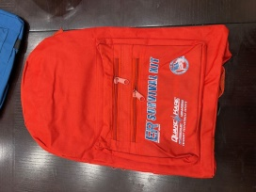 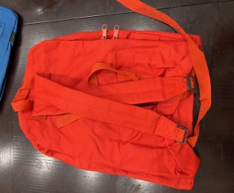 | 8491 | $2.45
 | 9912 | $2.45
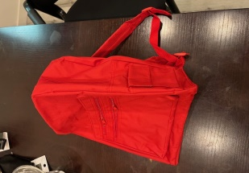 | 3920 | $2.45
 | 36040

